User Journey
U
FEED
Friends post likings
 | FUZO | (N/M) | Notification |  | Messages |  |  | Groups | TAKO | Search assistant
 |  |  |  | Chats | Groups | Friends | My Events | Hostings |  | AI assistant

Friends requests
Shared Cards
 |  |  |  |  |  |  |  |  | F | Feed
 |  |  |  |  |  |  |  |  | D | Discover(scout)
 |  |  |  |  |  |  |  |  | B | Bites
 |  |  |  |  |  |  |  |  | Re | Recipes

T
In-Feeds from Youtube, Instagram, facebook
+

(F)(D)(B)(Re)

FOOD CARD
 | Discover |  | FUZO
From: |  | To:
Filters(cuisine, distance, type)
Global | Individual | Friends & Fam

 | Bites |  | User Profile |  | User profile
User Profile

 |  |  |  | Posts | Video | Cards/Plate

 | Recipes |  | Recipe 1
Recipe 1
Recipe 1 Ingredients
Cook time Prep Nutrient contents

Recipe 2

 | SNAP |  | SNAP
Snap - review and post content: Tags, location

User Profile
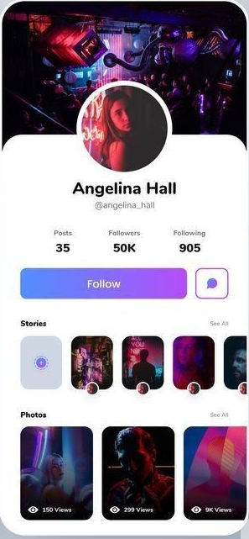
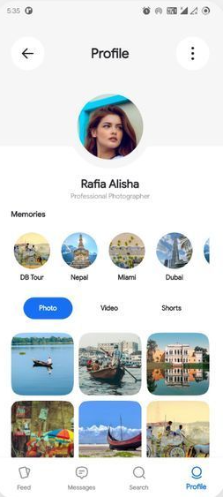
User Profile - Option 1

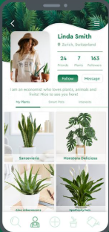
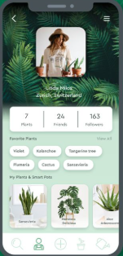
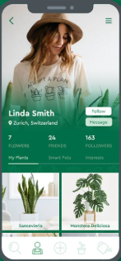

Option - 2

Bites
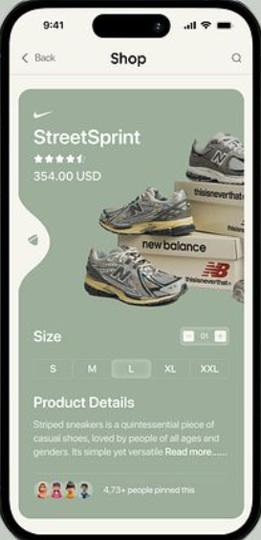
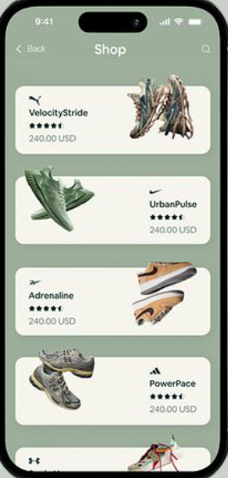
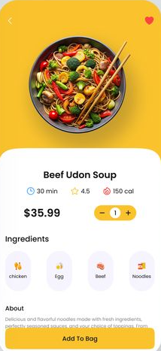
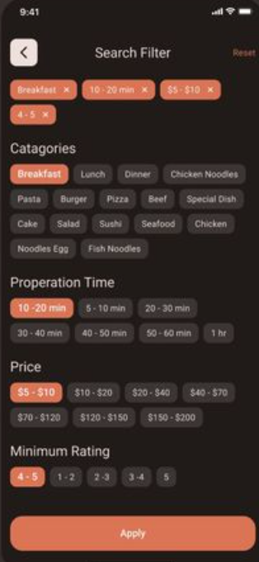
Bites(recipes screen)

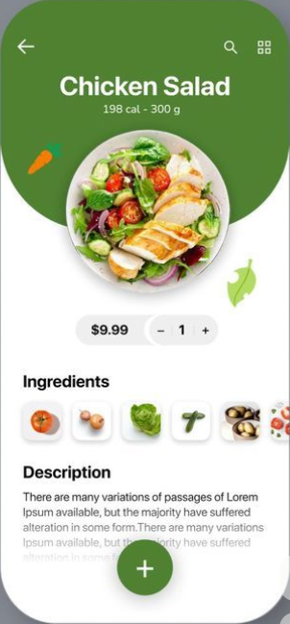

Option 2

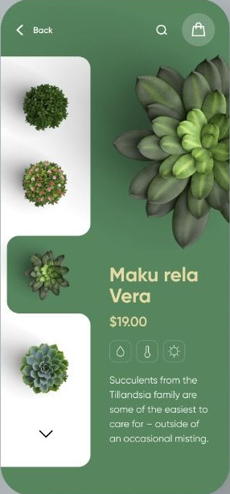
 | Add ingredients, cook steps etc on the left tab

Option 3

Home screen
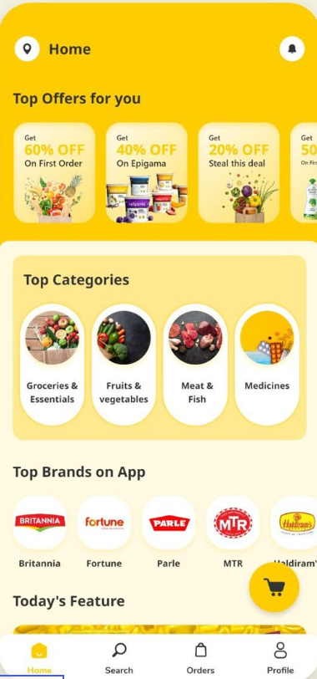
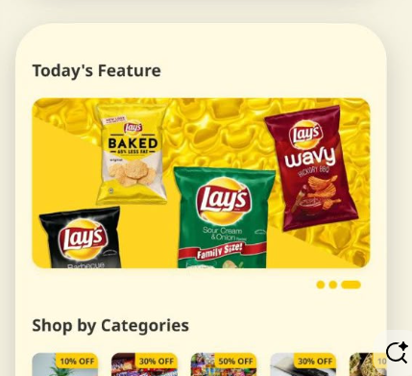
Home Screen
Option 1 | Nav Bar
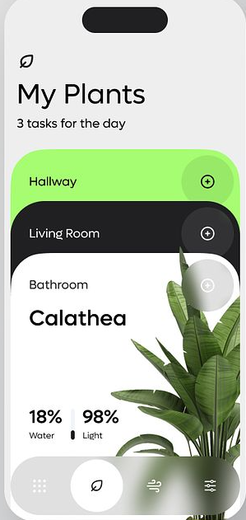
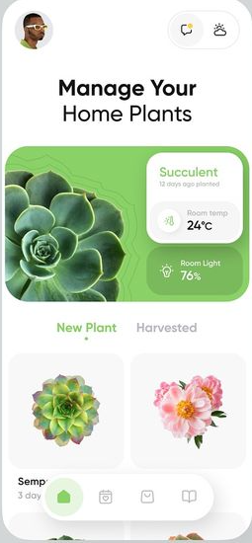
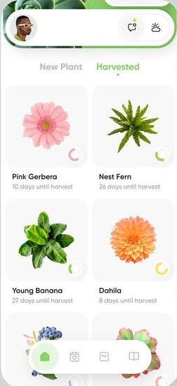
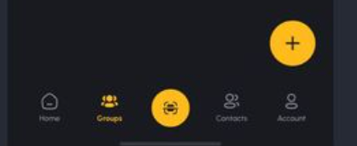

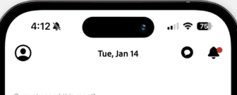

Option -2

Feed
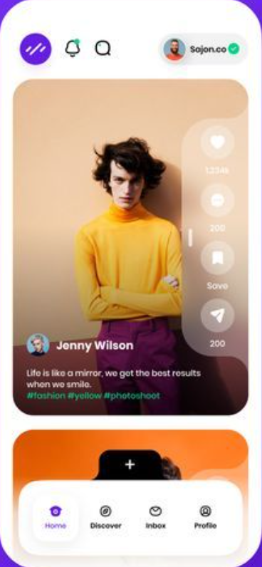
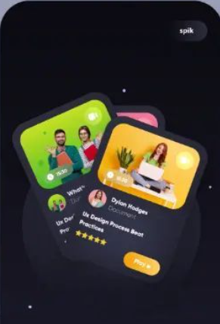
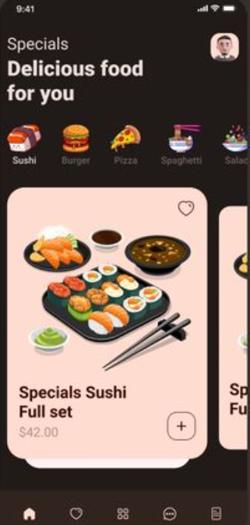
Feed screen

Option 1
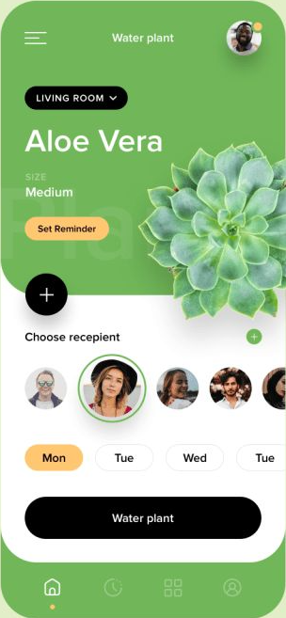
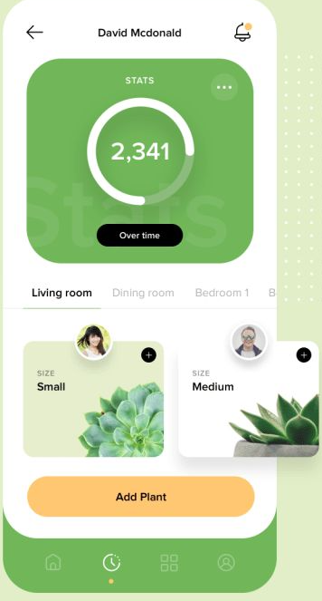

Option - 2

Messaging
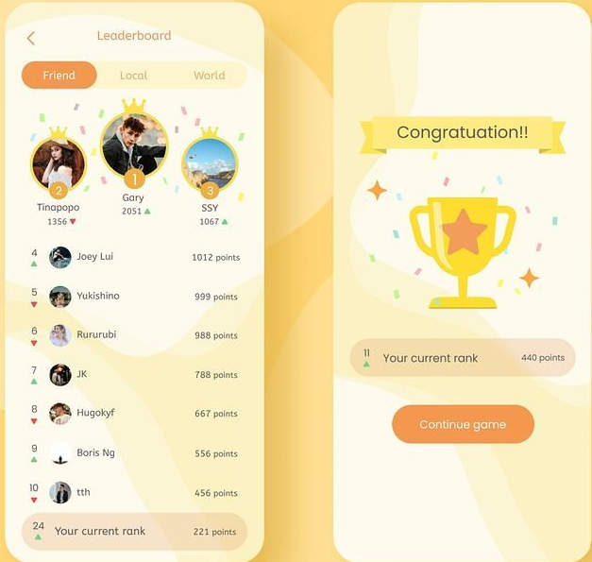
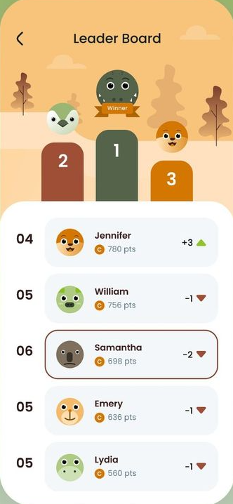
Chats | Friends List | Group Chats

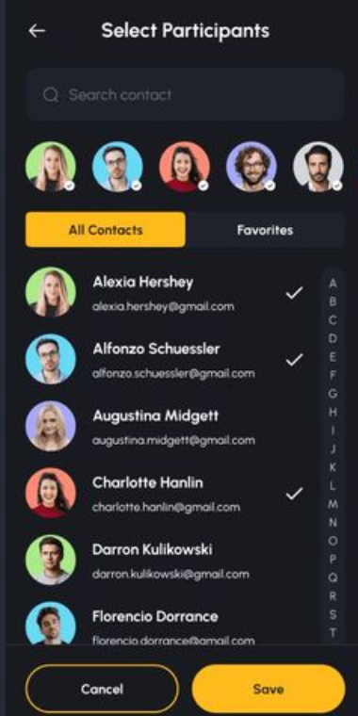
Options - 1 |  | Options - 1

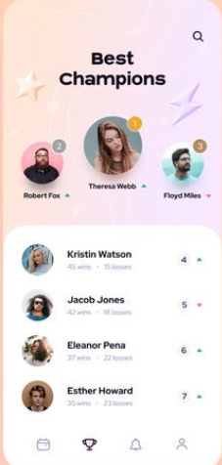
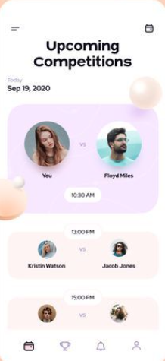
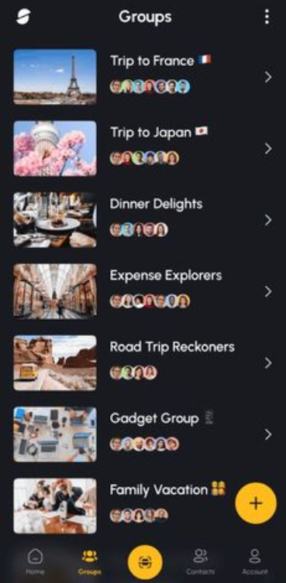

 |  | Leaderboard

 |  | Option - 1

Friends
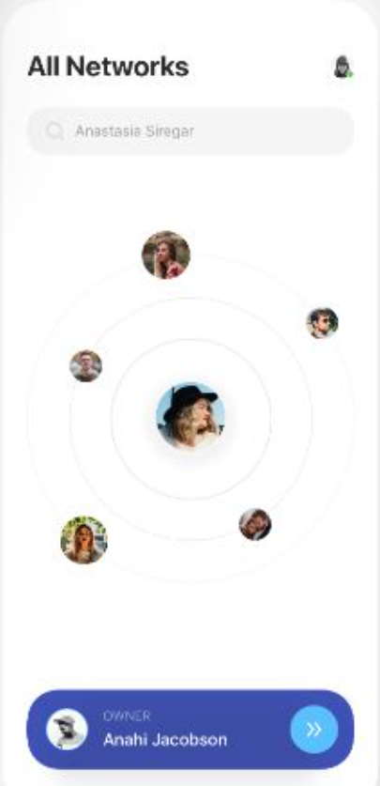
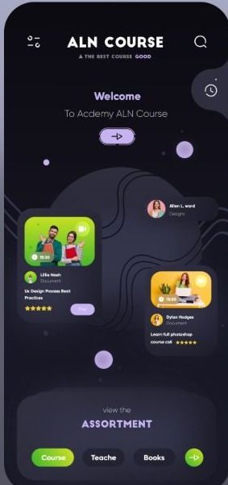
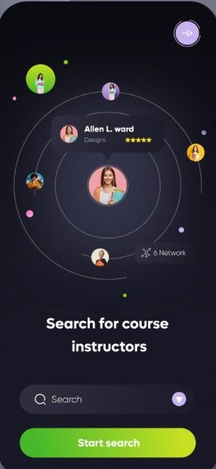
Friends & Circles

Maps
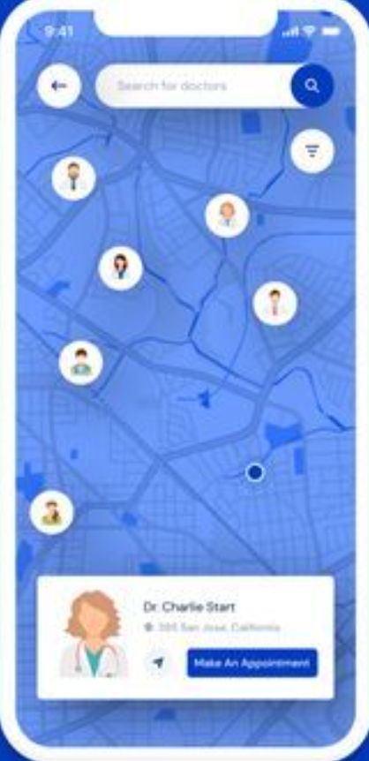
Maps
Options - 1

Tako - Search
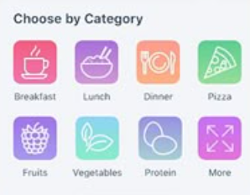
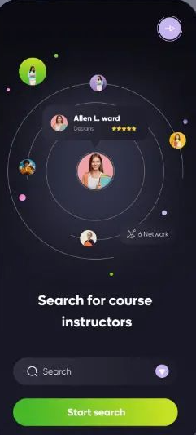
Options - 1

Restaurant
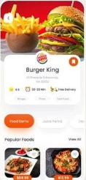
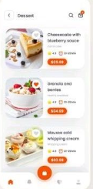
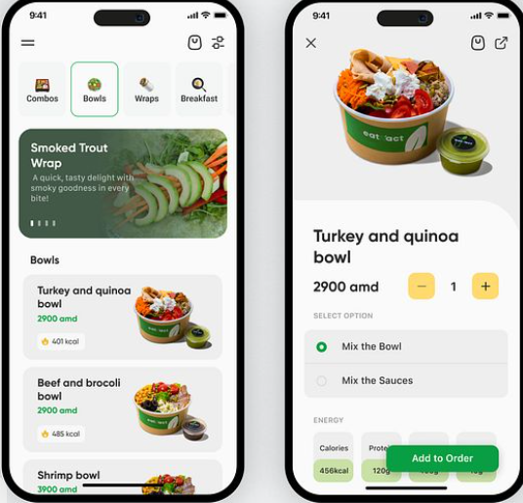
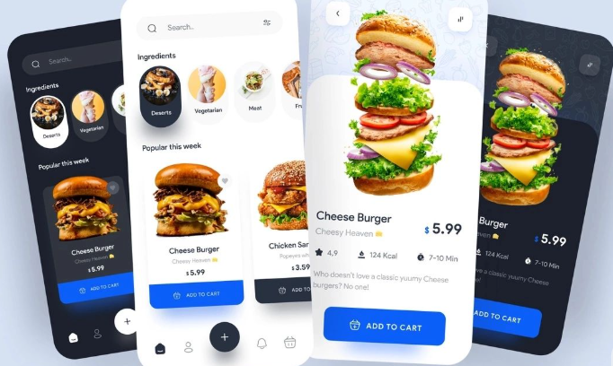
Restaurant profile

